Test Details
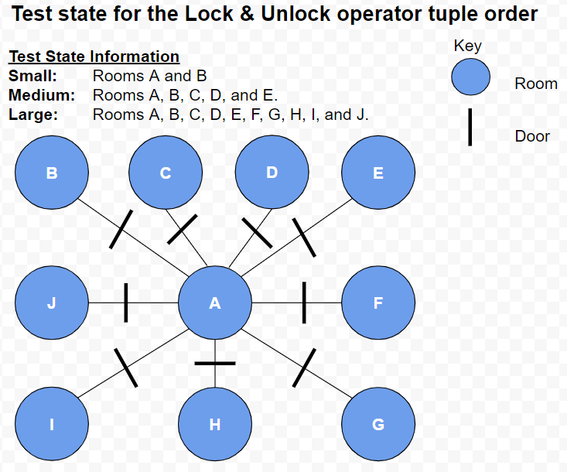
Test Details

Test | State Tuples | Goal
Small | 13 | Unlock 1 door
Medium | 43 | Unlock 4 doors
Large | 93 | Unlock 9 doors

